Voltage Sensor
Hardware parameters
Voltage Sensor LV 25P |  |  |  |  | Voltage Adapter
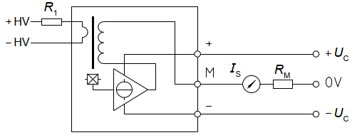
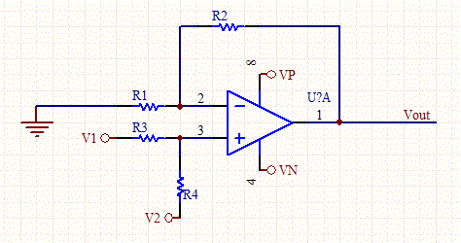

Components
R1 | 22 | kOhm |  |  | R1=R3 | 100 | kOhm
Rm | 195 | Ohm |  |  | R2=R4 | 24.6 | kOhm
 | (two 390 parallel) |  |  |  | v2 | 1.497 | V

Theoratical Calculation
V_input (V) | I_R1 (mA) | Is (mA) | V_Rm (V) | V_out (V)
-250 | -11.364 | -28.409 | -5.540 | 0.134
Max 250V

Voltage measuring and calibration |  |  |  |  |  |  |  | Calibration Shift
V_input(V) | V_out (V) | VPS1 (V) | VPS2 (V) | VPS3 (V) | diff VPS1 | diff VPS2 | diff VPS3 | vps1 | vps2 | vps3
-200 | 0.407 | 0.4210 | 0.4120 | 0.4250 | 0.014 | 0.005 | 0.018
-180 | 0.516 | 0.5270 | 0.5200 | 0.5330 | 0.011 | 0.004 | 0.017 | -0.009 | -0.006 | 0.004
-150 | 0.679 | 0.6840 | 0.6810 | 0.6930 | 0.005 | 0.002 | 0.014 | Calibration ratio
-130 | 0.788 | 0.7900 | 0.7890 | 0.8010 | 0.002 | 0.001 | 0.013 | 183.448
-100 | 0.952 | 0.952 | 0.952 | 0.963 | 0.000 | 0.000 | 0.011
-90 | 1.006 | 1.002 | 1.006 | 1.016 | -0.004 | 0.000 | 0.010
-80 | 1.061 | 1.057 | 1.061 | 1.072 | -0.004 | 0.000 | 0.011
-70 | 1.115 | 1.11 | 1.114 | 1.125 | -0.005 | -0.001 | 0.010
-60 | 1.170 | 1.165 | 1.168 | 1.179 | -0.005 | -0.002 | 0.009 | Calculation back to real value
-50 | 1.224 | 1.219 | 1.222 | 1.232 | -0.005 | -0.002 | 0.008 |  | VPS1 | VPS2 | VPS3
-40 | 1.279 | 1.273 | 1.277 | 1.287 | -0.006 | -0.002 | 0.008 | V_out | 2.22 | 2.22 | 2.22
-30 | 1.333 | 1.326 | 1.33 | 1.34 | -0.007 | -0.003 | 0.007 | V_cal_back | 134.23 | 133.73 | 131.85
-20 | 1.388 | 1.381 | 1.385 | 1.395 | -0.007 | -0.003 | 0.007
-10 | 1.442 | 1.434 | 1,438 | 1.447 | -0.008 | -0.004 | 0.005 | V_cal_back = (V_out-V_shift-V_ref)*Cali_ratio
0 | 1.497 | 1.486 | 1,49 | 1.5 | -0.011 | -0.007 | 0.003
10 | 1.552 | 1.539 | 1,542 | 1.551 | -0.013 | -0.010 | -0.001
20 | 1.606 | 1.592 | 1,595 | 1.605 | -0.014 | -0.011 | -0.001
30 | 1.661 | 1,648 | 1,651 | 1.66 | -0.013 | -0.010 | -0.001 | Note: Board-2 voltage shall not be applied above 140 V, otherwise accuracy will drop
40 | 1.715 | 1,701 | 1,704 | 1.713 | -0.014 | -0.011 | -0.002
50 | 1.770 | 1,755 | 1,758 | 1.768 | -0.015 | -0.012 | -0.002
60 | 1.824 | 1,808 | 1,812 | 1.822 | -0.016 | -0.012 | -0.002
70 | 1.879 | 1,862 | 1,866 | 1.876 | -0.017 | -0.013 | -0.003
80 | 1.933 | 1,914 | 1,919 | 1.928 | -0.019 | -0.014 | -0.005
90 | 1.988 | 1,969 | 1,975 | 1.984 | -0.019 | -0.013 | -0.004
100 | 2.042 | 2,022 | 2,028 | 2.038 | -0.020 | -0.014 | -0.004
130 | 2.206 | 2,184 | 2,191 | 2.201 | -0.022 | -0.015 | -0.005
140 | 2.260 | 2,237 | 2,245 | 2.254 | -0.023 | -0.015 | -0.006
average |  |  |  |  | -0.00871 | -0.00600 | 0.00426

Current Sensor
Hardware Parameters
Current Sensor LA 55P |  |  |  |  | Voltage Adapter
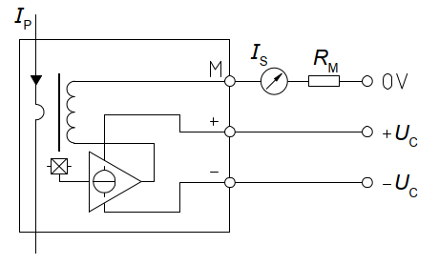

Components
Rm | 135 | Ohm | (two 270 parallel) |  |  | R1=R3 | 100 | kOhm
 |  |  |  |  |  | R2=R4 | 26.1 | kOhm
 |  |  |  |  |  | v2 | 1.497 | V
turns | 2

Theoratical Calculation
 | I_meas (A) |  | Ip (A) |  | Is (mA) | V_Rm (V) | V_out (V)
 | -20.000 |  | -40.000 |  | -40.000 | -5.400 | 0.088
 | Current/turn |  | Total current through sensor
 | Max 20A

Voltage measuring and calibration
I_input (A) |  | V_out (V) | IPS1 (V) | IPS2 (V) | IPS3 (V) | diff IPS1 | diff IPS2 | diff IPS3
11.000 |  | 2.272 | 2.264 | 2.266 | 2.271 | -0.008 | -0.006 | -0.001
10.000 |  | 2.202 | 2.193 | 2.195 | 2.200 | -0.009 | -0.007 | -0.002
9.000 |  | 2.131 | 2.123 | 2.125 | 2.130 | -0.008 | -0.006 | -0.001
8.000 |  | 2.061 | 2.053 | 2.056 | 2.060 | -0.008 | -0.005 | -0.001
7.000 |  | 1.990 | 1.983 | 1.985 | 1.989 | -0.007 | -0.005 | -0.001
6.000 |  | 1.920 | 1.913 | 1.915 | 1.919 | -0.007 | -0.005 | -0.001
5.000 |  | 1.849 | 1.842 | 1.844 | 1.848 | -0.007 | -0.005 | -0.001
4.000 |  | 1.779 | 1.772 | 1.774 | 1.778 | -0.007 | -0.005 | -0.001
3.000 |  | 1.708 | 1.701 | 1.704 | 1.707 | -0.007 | -0.004 | -0.001
2.000 |  | 1.638 | 1.632 | 1.634 | 1.636 | -0.006 | -0.004 | -0.002
1.000 |  | 1.567 | 1.561 | 1.564 | 1.566 | -0.006 | -0.003 | -0.001
0.000 |  | 1.497 | 1.49 | 1.493 | 1.494 | -0.007 | -0.004 | -0.003
-1.000 |  | 1.427 | 1.419 | 1.422 | 1.423 | -0.008 | -0.005 | -0.004
-2.000 |  | 1.356 | 1.349 | 1.351 | 1.353 | -0.007 | -0.005 | -0.003
-3.000 |  | 1.286 | 1.279 | 1.281 | 1.282 | -0.007 | -0.005 | -0.004
-4.000 |  | 1.215 | 1.208 | 1.21 | 1.211 | -0.007 | -0.005 | -0.004
-5.000 |  | 1.145 | 1.138 | 1.14 | 1.141 | -0.007 | -0.005 | -0.004
-6.000 |  | 1.074 | 1.067 | 1.069 | 1.07 | -0.007 | -0.005 | -0.004
-7.000 |  | 1.004 | 0.997 | 0.999 | 0.999 | -0.007 | -0.005 | -0.005
-8.000 |  | 0.933 | 0.926 | 0.929 | 0.928 | -0.007 | -0.004 | -0.005
-9.000 |  | 0.863 | 0.856 | 0.859 | 0.858 | -0.007 | -0.004 | -0.005
-10.000 |  | 0.792 | 0.786 | 0.788 | 0.788 | -0.006 | -0.004 | -0.004
-11.000 |  | 0.722 | 0.716 | 0.718 | 0.717 | -0.006 | -0.004 | -0.005
average |  |  |  |  |  | -0.00709 | -0.00478 | -0.00274

 |  |  |  |  |  |  |  |  | Calibration Shift
 |  |  |  |  |  |  |  |  | IPS1 | IPS2 | IPS3
 |  |  |  |  |  |  |  |  | -0.01 | 0.00 | 0.00

 |  |  |  |  |  |  |  |  | Cali ratio
 |  |  |  |  |  |  |  |  | 14.190

 |  |  |  |  |  |  |  |  | Calculation back to real value
 |  |  |  |  |  |  |  |  |  | IPS1 | IPS2 | IPS3
 |  |  |  |  |  |  |  |  | V_out | 1.706
 |  |  |  |  |  |  |  |  | I_cal_back | 3.066
 |  |  |  |  |  |  |  |  | I_cal_back = (V_out-V_shift-V_ref)*Cali_ratio

 |  |  |  |  |  |  |  |  | Note: Board-2 current for sensor shall not be applied above 11 A, otherwise accuracy will drop

